Instructions
Hardship, GSL, HWUA, Goodwill Payments and URGS
AquaRate > Account > Transaction Browser
Date Raised - enter first day and last day of relevant month
Type = "P" for Payment
Sub Type = "CN" for Credit Note, then copy & paste to a new blank spreadsheet
Sub Type = "CNR" for Credit Note Reversal, then copy& paste to the blank spreadsheet, delete heading
Sort by Column "D" Credit Note
Go back to Aquqrate: Sub Type = "W" for Write Off, then copy to blank spreadsheet, delete heading
Sub Type = "WR" for Write Off Reversal, then copy to blank spreadsheet, delete heading
For all Write Offs and Write Off Reversals, insert the text "Write Off" in Column "D", overwite any text that might already be in Column "D"
Delete all rows not required including:- Government Water Rebate, Life Support Concessions, Miscellaneous Adjustments, Rain Water Tank Rebate, Water Conservations Rebate, FBT Rebates etc Leave Water for community Rebate
Remove Column K (Detail Desc.) & M (Print)
Cut community rebate data into TRIM spreadsheet tab titled "Water for Community", drag the formula in column down. In Column L enter the month & year.
Cut & Paste the hardship data into TRIM spreadsheet tab titled "Hardship Rebates", includes the following data:- "Hardship Bonus Credits" and Hardship "Long Term Debt Write Off" - drag the formula in column down. In Column L enter the month & year. Delete blank rows out of the temporary spreadsheet after cutting.
In the Month Tab - before pasting anything into this spreadsheet ensure you have enough rows to be able to paste the data in between the top of the page & the formula lower down (see picture below of formula)
Cut balance of data (only data, not the whole rows) from blank spreadsheet & paste into TRIM spreadsheet tab titled "July" or relevant month as applicable. Information to be copied includes:- GSL, HWUA, Goodwill Payments and URGS
Ensure that the "CHECK" row immediately below the "SUMMARY TABLE" balances to zeros if it doesn’t then something is not correct

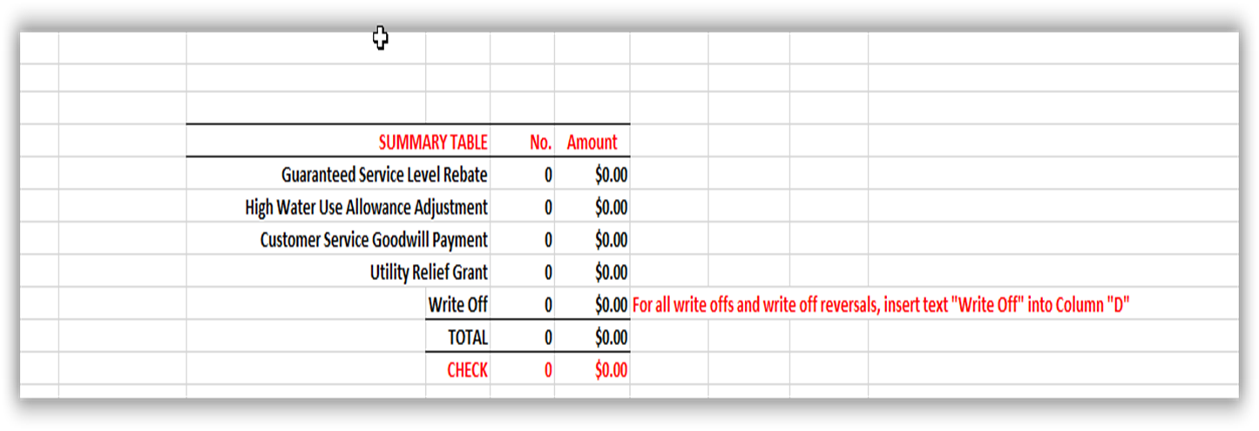

Account Adjustments
Aquarate > Account > Transaction Browser
Date Raised - enter first day and last day of relevant month
Copy search data into TRIM spreadsheet tab titled "July" or relevant month as applicable
Type = "A" for Adjustment, past underneath the formula for the month
Type = "AR" for Adjustment Reversal, past underneath the formula for the month

Also check the Board Trend Data Tab (green tab) – in column (M) change the date in red & highlighte yellow to be the last date of the month – then need to check that none of these figures in column (N) are above 150% as this is the trigger to then notify the board (check in with Steve if needed)

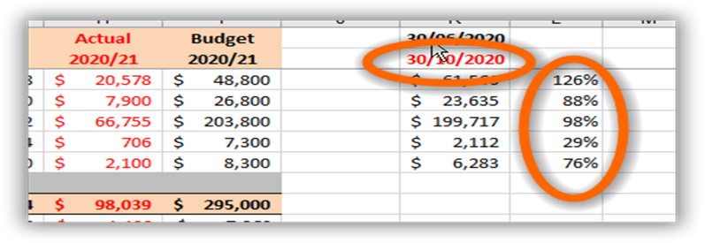

Go to the Summary Tab
Hardship Grants Summary tab: copy and paste special values for the month. Take off yellow highlighting & make font black
Water for Community tab: copy and paste special values for the month. Take off yellow highlighting & make font black

Go to the master spreadsheet and enter Hardship Data - UPP6

Board Trend Charts
Hardship Assistance
 | Hardship Assistance |  | No. Customers
2017/18 Actual | $33,501 | 4 | 146
2018/19 Actual | $54,234 | 5 | 184
2019/20 Actual | $52,868 | 6 | 180
2020/21 Actual | $56,376 | 7 | 177
2021/22 Actual | $33,339 | 8 | 151
2022/23 Actual | $42,458 | 9 | 135
2023/24 Actual | $33,148 | 10 | 143
2024/25 Actual | $38,970 | 11 | 163
2024/25 Budget | $61,219
Guaranteed Service Level Payments
 | Water |  | Sewer |  | No. Payments
2018/19 Actual | 6400 | 2018/19 Actual | 16400 | 2018/19 Actual | 144
2019/20 Actual | 11200 | 2019/20 Actual | 2900 | 2019/20 Actual | 137
2020/21 Actual | 4600 | 2020/21 Actual | 5800 | 2020/21 Actual | 76
2021/22 Actual | 12200 | 2021/22 Actual | 14400 | 2021/22 Actual | 214
2022/23 Actual | 4000 | 2022/23 Actual | 12600 | 2022/23 Actual | 126
2023/24 Actual | 26100 | 2023/24 Actual | 11600 | 2023/24 Actual | 345
2024/25 Actual | 21000 | 2024/25 Actual | 12700 | 2024/25 Actual | 297
2024/25 Budget | 14843.076923 | 2024/25 Budget | 6596.9230769
High Water Use Allowances
 | High Water Usage Allowance |  | No. Payments
2017/18 Actual | $126,139 | 4 | 327
2018/19 Actual | $203,471 | 5 | 346
2019/20 Actual | $186,842 | 6 | 353
2020/21 Actual | $157,404 | 7 | 338
2021/22 Actual | $240,997 | 8 | 373
2022/23 Actual | $247,741 | 9 | 439
2023/24 Actual | $234,356 | 10 | 395
2024/25 Actual | $264,820 | 11 | 384
2024/25 Budget | $231,664

Customer Goodwill Payments
 | Customer Service Goodwill |  | No. Payments
2017/18 Actual | $5,579 | 4 | 202
2018/19 Actual | $14,759 | 5 | 68
2019/20 Actual | $1,474 | 6 | 18
2020/21 Actual | $2,438 | 7 | 117
2021/22 Actual | $3,731 | 8 | 23
2022/23 Actual | $50,003 | 9 | 209
2023/24 Actual | $26,921 | 10 | 74
2024/25 Actual | $89,083 | 11 | 267
2024/25 Budget | $41,893
Customer Incentive Payments
 | Incentive payments | No. Payments
2017/18 Actual | $4,120 | $206
2018/19 Actual | $10,860 | $543
2019/20 Actual | $9,800 | $490
2020/21 Actual | $9,740 | $487
2021/22 Actual | $12,960 | $648
2022/23 Actual | $860 | $43
Utility Relief Grant Scheme
 | Utility Relief Grant Scheme |  | No. Payments
2017/18 Actual | $62,012 | 4 | 148
2018/19 Actual | $94,150 | 5 | 175
2019/20 Actual | $84,794 | 6 | 162
2020/21 Actual | $33,574 | 7 | 69
2021/22 Actual | $99,299 | 8 | 245
2022/23 Actual | $109,305 | 9 | 253
2023/24 Actual | $89,418 | 10 | 255
2024/25 Actual | $136,293 | 11 | 357

Net Tenant Debt Abandoned
 | Net Tenant Debt Abandoned |  | No. Payments
2017/18 Actual | $38,831 | 4 | 299
2018/19 Actual | $26,462 | 5 | 426
2019/20 Actual | $27,965 | 6 | 399
2020/21 Actual | $11,625 | 7 | 295
2021/22 Actual | $27,946 | 8 | 303
2022/23 Actual | $30,315 | 9 | 385
2023/24 Actual | $13,783 | 10 | 346
2024/25 Actual | $30,560 | 11 | 337
2024/25 Budget | $35,000
Water for Community
 | Water for Community |  | No. Properties
2018/19 Actual | 194354 | 5 | 229
2019/20 Actual | 179950.77 | 6 | 236
2020/21 Actual | 143987.60916 | 7 | 231
2021/22 Actual | 179885.93 | 8 | 237
2022/23 Actual | 152568.48 | 9 | 237
2023/24 Actual | 218541.94939 | 10 | 234
2024/25 Actual | 215234.66 | 11 | 227
2024/25 Budget | 327000
Community Rebate Program
 | Community Rebate Program | No. Payments
2018/19 Actual | $829 | 3
2019/20 Actual | $317 | 1
2020/21 Actual | $844 | 2
2021/22 Actual | $750 | 1
2022/23 Actual | $2,000 | 2
2023/24 Actual | $2,984 | 3
2024/25 Actual

